Trace Precedents
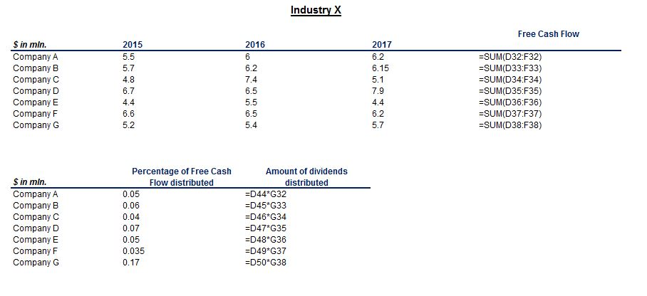
SOLUTION - Trace Precedents

To complete this exercise, use the Formula Auditing block, located under the Formulas tab in Excel.

Task 1: Trace the precedents of cell F20.

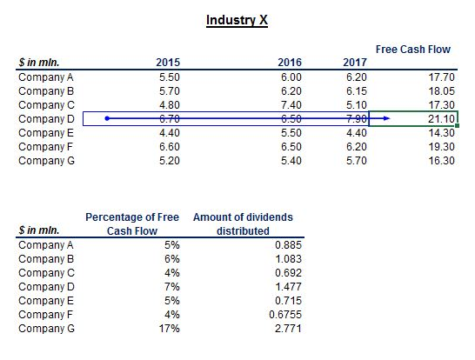

Task 2: Trace its dependents, too.

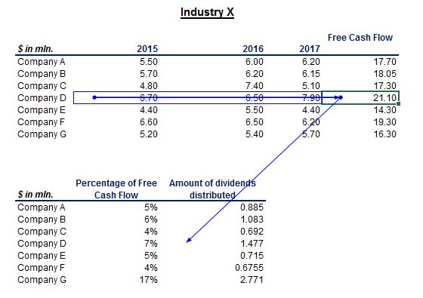

Task 3: Trace all the precedents of cell D33.

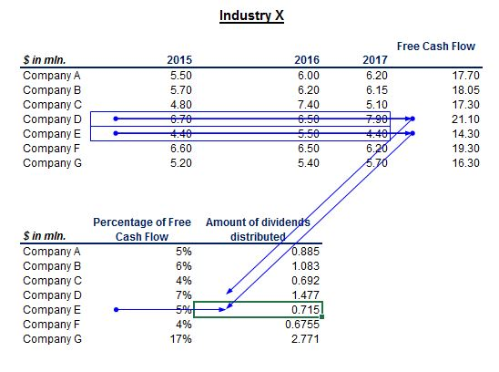

Task 4: Remove all arrows.

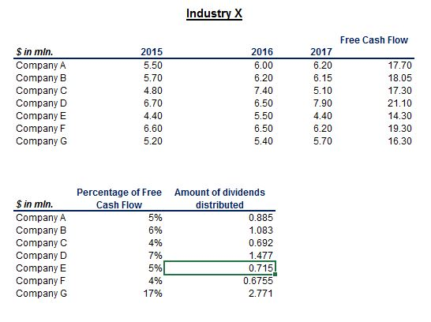

Task 5: With the help of a keyboard combination, show all the formulas in the worksheet.

The keyboard combination used is Ctrl and Backquote. It is also called Ctrl and Tilde or Ctrl and Grave.

